5 WAPS
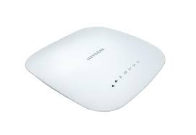
PRODUCT NAME AND MODEL | NETGEAR WAC540 | TP-Link EAP670 | EnGenius EAP1250 | Ubiquiti UAP-AC-HD5 | Meraki
 |  | 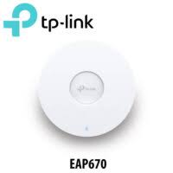 | 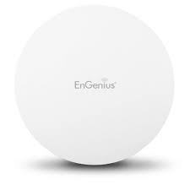 |  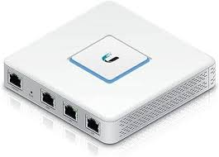 | 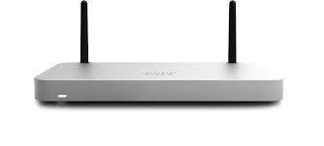

Number of Antennas | 3 | 8 | 4 | 3 | 2
MIMO Support/Beamforming | Yes 4x4 (MU-MIMO) /Beamforming Supported | Yes 3x3 (MU-MIMO)/Beamforming Supported | Yes 4x4 (MU-MIMO)/Beamforming Supported | Yes 4x4 (MU-MIMO) /Beamforming Supported | Yes 8x8 (MU-MIMO)/Beamforming Supported
WLAN Technologies Supported | Dual-band 802.11ac/n(2.4GHz b/g/n/ac/ac 5GHz b/g/n/ac-wave2 ) | Dual Band 802.11ac/n (2.4GHz, 5GHz)2.4 GHz b/g/n/r/k/v 5 GHz a/n/ac/ac-wave2 ) | Dual-band 802.11ac/n(2.4GHz b/g/n/ac/ac 5GHz b/g/n/ac-wave2 ) | Dual-band 802.11ac/n (2.4 GHz b/g/n/r/k/v 5 GHz a/n/ac/ac-wave2 ) | Dual-band 802.11ac/n(2.4 GHz b/g/n/ax 5 GHz a/n/ac/ax )
Security features | WPA/WPA2, MAC filtering, VLAN support | MAC address filtering/Isolation of clients connected to the wireless network/SSID to VLAN mapping/Detection of unauthorized APs/802.1X support/WPA-Personal/Enterprise/WPA2-Personal/Enterprise, WPA3-Personal/Enterprise encryption | WPA/WEP/WPA2 Enterprise Authentication | WPA/WPA2, MAC filtering, VLAN support/WEP/WPA/WPA2/ Enterprise Authentication | WEP/WPA/WPA2/ MAC filtering, VLAN support/ Enterprise Authentication/ Layer 7 Firewall/ Air Marshall
Software | NETGEAR Insight app | Omada SDN Controller | EnGenius Cloud or eZMaster software | UniFi Controller | Meraki Dashboard
Interface | Web-based GUI, mobile app | Web-based GUI, mobile app | Web-based GUI, mobile app | Web-based GUI, mobile app | Cloud-based
Frequency and Speed | Dual-band (2.4 GHz/400Mbps and 5 GHz/867Mbps)Lo-5GHz,Hi-5GHz/1733Mbps .up to 3.6 Gbps | Dual-band (2.4 GHz and 5 GHz), up to 4.8 Gbps/5 GHz: up to 4804 Mbps/2.4 GHz: up to 574 Mbps | Dual-band (2.4 GHz and 5 GHz), up to 1.7 Gbps, 2.4GHz/400Mbps,5GHz/867Mbps | Dual-band (2.4 GHz and 5 GHz), up to 1.75 Gbps, 2.4 GHz/800 Mbps ,5 GHz/1,733 Mbps | Dual-band (2.4 GHz and 5 GHz)2.4 GHz /1,147 Mbps, 5 GHz /4,804 Mbps
VoW-Fi | Supported | Supported | Supported | Supported | Supported
Data Throughput | 16,750 Mbps | 25,000 Mbps | 1,200 Mbps | 12,665 Mbps | 29,755 Mbps
Standards | IEEE 802.11ac/n | IEEE 802.11ax/ac/n/g/b/a | IEEE 802.11ac/n | IEEE 802.11ac | IEEE 802.11ax/ac/n
Range/Polar chart/HPBW | 1,800sq Ft | 2,700sq Ft | 167,270,400 Sq Ft | 1,313.2 Sq Ft(122 meters) | 1,076.4 Sq Ft( 100 meters)
Temperature | 0° to 60° C | 0°C-40°C (32°F-104°F) | 0° to 40° C | -10° to 70° C | –40° to 158° F (–40° to 70° C)
Max number of connections at full data rate | 25 | 64 | 45 | 29 | 100
WLAN Controller or Cloud app License | Not specified | Included with Omada SDN Controller | EnGenius Cloud License | Included with UniFi Controller | Meraki license
PoE requirements(recorded switch) | PoE+ 25.5W IEEE 802.3at or optional AC/DC Power Adapter (WAC540PA) | PoE 802.3af/at | PoE 802.3af/802.3at | PoE 802.3af/at | 802.3at PoE+
Airtime fairness | Improves network performance in mixed client 802.11a/b/n/ac environments | Not specified | Supported | Supported | Supported
Additional features | MU-MIMO, VLAN support, Multi-SSID | Band Steering, Load Balancing, QoS | Band Steering, Beamforming, QoS | Seamless Roaming, Advanced Network Analytics | Cloud Management, Location Analytics
Cost per unit($CAD) | $349.99 | $159.99 | $169.05 | $1,336.00 | $150.00
Number of units required/# of Devices | 15 | 47 | 15 | 47 | 47
Total unit cost($CAD) | $5,249.85 | $7,519.53 | $2,535.75 | $62,792.00 | $7,050.00

